Foglio1
Marchio | Articolo | Colore | Descrizione colore | Descrizione articolo | Cat.Omogenea | Foto | QTY | RETAIL PRICE | RETAIL AMOUNT | Made in | Composizione | Nomenclatura
CELINE | 10B553BFL | 02BA | Light Camel/Light Camel | Wallet C Charm Slg Quilted Calfskin Large Zipped Wallet | PORTAFOGLIO | 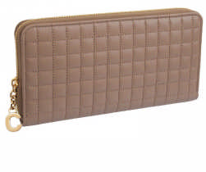 | 166 | € 600.00 | € 99,600.00 | MADE IN ITALY | 100% Calfskin & calf lining | 42023100
CELINE | 10B553BFL | 03ND | Nude/Nude | Wallet C Charm Slg Quilted Calfskin Large Zipped Wallet | PORTAFOGLIO | 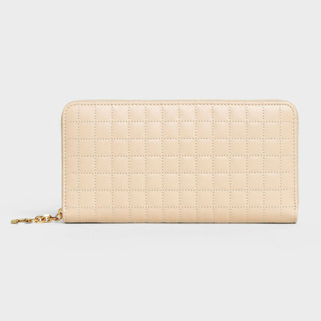 | 4 | € 600.00 | € 2,400.00 | MADE IN ITALY | 100% Calfskin & calf lining | 42023100
CELINE | 10B553BFL | 07BF | Dark blue/Dark blue | Wallet C Charm Slg Quilted Calfskin Large Zipped Wallet | PORTAFOGLIO |  | 32 | € 600.00 | € 19,200.00 | MADE IN ITALY | 100% Calfskin & calf lining | 42023100
CELINE | 10B553BFL | 08GC | Light Grey/Light Grey | Wallet C Charm Slg Quilted Calfskin Large Zipped Wallet | PORTAFOGLIO |  | 168 | € 600.00 | € 100,800.00 | MADE IN ITALY | 100% Calfskin & calf lining | 42023100
CELINE | 10B553BFL | 38NO | Black/Black | Wallet C Charm Slg Quilted Calfskin Large Zipped Wallet | PORTAFOGLIO | 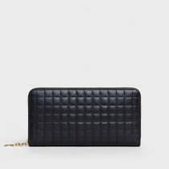 | 306 | € 600.00 | € 183,600.00 | MADE IN ITALY | 100% Calfskin & calf lining | 42023100
CELINE | 10B553BFR | 36AG | Silver/Silver | Wallet C Charm Slg Lam.Quilt.Calfskin Large Zipped Wallet | PORTAFOGLIO | 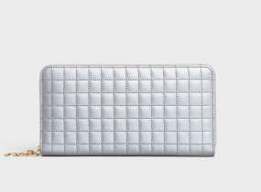 | 4 | € 630.00 | € 2,520.00 | MADE IN ITALY | 100% Calfskin & calf lining | 42023100
CELINE | 10B663BFL | 03ND | Nude/Nude | Wallet C Charm Slg Quilted Calfskin Compact Zipped Wallet | PORTAFOGLIO |  | 15 | € 400.00 | € 6,000.00 | MADE IN ITALY | 100% Calfskin & calf lining | 42023100
CELINE | 10B663BFL | 08GC | Light Grey/Light Grey | Wallet C Charm Slg Quilted Calfskin Compact Zipped Wallet | PORTAFOGLIO | 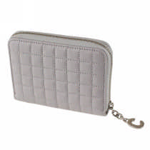 | 7 | € 400.00 | € 2,800.00 | MADE IN ITALY | 100% Calfskin & calf lining | 42023100
CELINE | 10B803BFL | 38NO | Black/Black | Pouch C Charm Slg Quilted Calfskin Large Pouch | POUCH/MINI BEAUTY | 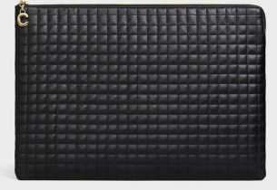 | 33 | € 720.00 | € 23,760.00 | MADE IN ITALY | 100% Calfskin & calf lining | 42023100
CELINE | 10B813BFL | 38NO | Black/Black | Coin & Card Pouch C Charm Slg Quilted Calfskin Coin & Card Pouch | PORTAFOGLIO | 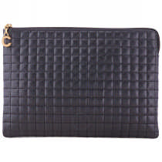 | 300 | € 500.00 | € 150,000.00 | MADE IN ITALY | 100% Calfskin & calf lining | 42023100
CELINE | 10B813BFR | 35OR | Gold/Gold | PORTAFOGLIO DONNA / Coin & Card Pouch C Charm Slg Lam.Quilt.Calfskin Coin & Card Pouch | PORTAFOGLIO | 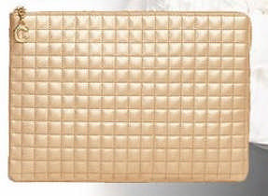 | 5 | € 520.00 | € 2,600.00 | MADE IN ITALY | 100% Calfskin & calf lining | 42023100
CELINE | 10B823BFL | 38NO | Black/Black | PORTAFOGLIO DONNA / Coin & Card Pouch C Charm Slg Quilted Calfskin Coin & Card Pouch | PORTAFOGLIO |  | 359 | € 300.00 | € 107,700.00 | MADE IN ITALY | 100% Calfskin & calf lining | 42023100
CELINE | 10B823BFR | 36AG | Silver/Silver | PORTAFOGLIO DONNA / Coin & Card Pouch C Charm Slg Lam.Quilt.Calfskin Coin & Card Pouch | PORTAFOGLIO | 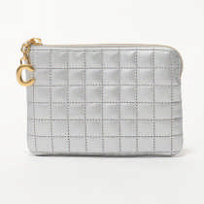 | 2 | € 310.00 | € 620.00 | MADE IN ITALY | 100% Calfskin & calf lining | 42023100
CELINE | 10B903BQ8 | 10DC | Grey/Grey | PORTAFOGLIO DONNA / Wallet C Slg Shiny Smooth Calfskin Wallet On Chain | PORTAFOGLIO |  | 32 | € 890.00 | € 28,480.00 | MADE IN ITALY | 100% Calf & Calf lininig | 42023100
CELINE | 10B903BQ8 | 27ED | Red/Red | Wallet C Slg Shiny Smooth Calfskin Wallet On Chain | PORTAFOGLIO |  | 59 | € 890.00 | € 52,510.00 | MADE IN ITALY | 100% Calf & Calf lininig | 42023100
CELINE | 10C723BQ8 | 38NO | Black/Black | Wallet C Slg Shiny Smooth Calfskin Smal Wallet | PORTAFOGLIO | 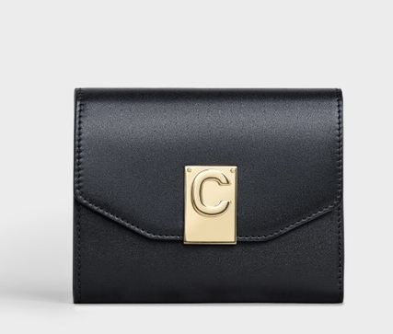 | 12 | € 550.00 | € 6,600.00 | MADE IN ITALY | 100% Calf & Calf lininig | 42023100
CELINE | 10C913BQ9 | 38NO | Black/Black | Iphone XS Max Clutch C Slg Shiny Smooth Calfskin Iphone XS Max Clutch | POCHETTE |  | 60 | € 900.00 | € 54,000.00 | MADE IN ITALY | 100% Calf & Split Calf Lining | 42023100
CELINE | 187253BFA | 38NO | Black/Black | Bag C Patent Calfskin Medium | BORSA | 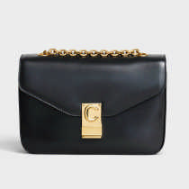 | 127 | € 2,300.00 | € 292,100.00 | MADE IN ITALY | 100% Calfskin & lamb lining | 42022100
CELINE | 187253BFB | 02BA | Light Camel/Light Camel | Bag C Shiny Calfskin Medium | BORSA | 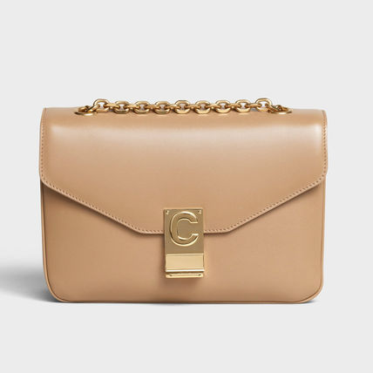 | 84 | € 2,300.00 | € 193,200.00 | MADE IN ITALY | 100% Calfskin & lamb lining | 42022100
CELINE | 187253BFB | 08GC | Light Grey/Light Grey | Bag C Shiny Calfskin Medium | BORSA | 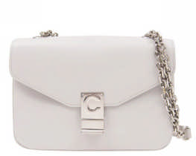 | 85 | € 2,300.00 | € 195,500.00 | MADE IN ITALY | 100% Calfskin & lamb lining | 42022100
CELINE | 187253BFB | 09GM | Medium grey/Medium grey | Bag C Shiny Calfskin Medium | BORSA | 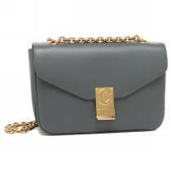 | 88 | € 2,300.00 | € 202,400.00 | MADE IN ITALY | 100% Calfskin & lamb lining | 42022100
CELINE | 187253BFB | 27ED | Red/Red | Bag C Shiny Calfskin Medium | BORSA | 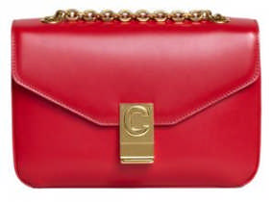 | 8 | € 2,300.00 | € 18,400.00 | MADE IN ITALY | 100% Calfskin & lamb lining | 42022100
CELINE | 187253BFB | 31AN | Amazone/Amazone | Bag C Shiny Calfskin Medium | BORSA | 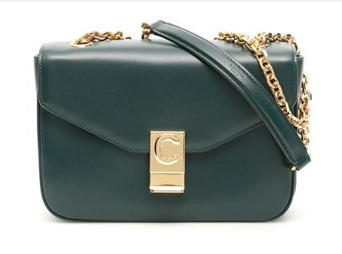 | 43 | € 2,300.00 | € 98,900.00 | MADE IN ITALY | 100% Calfskin & lamb lining | 42022100
CELINE | 187253BFC | 02BA | Light Camel/Light Camel | Bag C Quilted Calfskin Medium | BORSA | 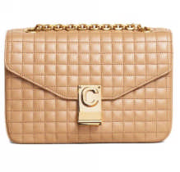 | 13 | € 2,300.00 | € 29,900.00 | MADE IN ITALY | 100% Calfskin & lamb lining | 42022100
CELINE | 187253BFC | 03ND | Nude/Nude | Bag C Quilted Calfskin Medium | BORSA | 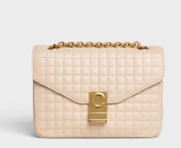 | 307 | € 2,300.00 | € 706,100.00 | MADE IN ITALY | 100% Calfskin & lamb lining | 42022100
CELINE | 187253BFC | 38NO | Black/Black | Bag C Quilted Calfskin Medium | BORSA |  | 56 | € 2,300.00 | € 128,800.00 | MADE IN ITALY | 100% Calfskin & lamb lining | 42022100
CELINE | 187253BFD | 01WB | White / Black/White / Black | Bag C Bicolour Quilted Calfskin Medium | BORSA | 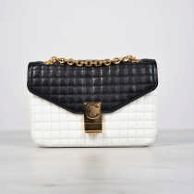 | 379 | € 2,300.00 | € 871,700.00 | MADE IN ITALY | 100% Calfskin & lamb lining | 42022100
CELINE | 187253BFD | 02LL | Light Camel / Black/Light Camel / Black | Bag C Bicolour Quilted Calfskin Medium | BORSA | 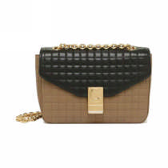 | 5 | € 2,300.00 | € 11,500.00 | MADE IN ITALY | 100% Calfskin & lamb lining | 42022100
CELINE | 187253BFD | 03NB | Nude / Black/Nude / Black | Bag C Bicolour Quilted Calfskin Medium | BORSA | 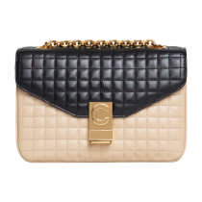 | 5 | € 2,300.00 | € 11,500.00 | MADE IN ITALY | 100% Calfskin & lamb lining | 42022100
CELINE | 187253BFD | 27RQ | Red / Black/Red / Black | Bag C Bicolour Quilted Calfskin Medium | BORSA |  | 8 | € 2,300.00 | € 18,400.00 | MADE IN ITALY | 100% Calfskin & lamb lining | 42022100
CELINE | 187253BFZ | 38NO | Black/Black | Bag C Quilted Calfskin Medium | BORSA |  | 69 | € 2,500.00 | € 172,500.00 | MADE IN ITALY | 100% Calfskin & lamb lining | 42022100
CELINE | 187253BJI | 38NO | Black/Black | Bag C Quilted Suede Calfskin Medium | BORSA |  | 124 | € 2,200.00 | € 272,800.00 | MADE IN ITALY | 100% Calfskin & calf lining | 42022100
CELINE | 187253BNC | 28LC | Light Burgundy / Black/Light Burgundy / | Bag C Shiny goatskin & shiny calfs Medium | BORSA | 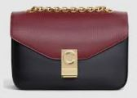 | 31 | € 2,300.00 | € 71,300.00 | MADE IN ITALY | 100% Goat+calf & lamb lining | 42022100
CELINE | 188153BFI | 01BC | White/White | Bag Quilted Calfskin Belt Bag | BORSA |  | 10 | € 1,200.00 | € 12,000.00 | MADE IN ITALY | 100% Calf & 71%CO+29%PA lining | 42022100
CELINE | 188153BFI | 27ED | Red/Red | Bag Quilted Calfskin Belt Bag | BORSA |  | 14 | € 1,200.00 | € 16,800.00 | MADE IN ITALY | 100% Calf & 71%CO+29%PA lining | 42022100
CELINE | 188153BFI | 38NO | Black/Black | Bag Quilted Calfskin Belt Bag | BORSA | 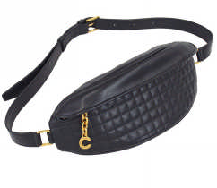 | 6 | € 1,200.00 | € 7,200.00 | MADE IN ITALY | 100% Calf & 71%CO+29%PA lining | 42022100
CELINE | 188243BFI | 38NO | Black/Black | Backpack Quilted Calfskin Medium Backpack | ZAINI E MARSUPI | 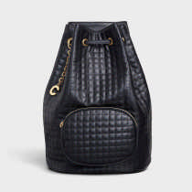 | 276 | € 2,400.00 | € 662,400.00 | MADE IN ITALY | 100% Calf & 71%CO+29%PA lining | 42022100
CELINE | 188403BFC | 10BL | Pebble/Pebble | Bag C Quilted Calfskin Small | BORSA |  | 5 | € 1,950.00 | € 9,750.00 | MADE IN ITALY | 100% Calfskin & lamb lining | 42022100
CELINE | 188403BFC | 24PI | Pink/Pink | Bag C Quilted Calfskin Small | BORSA | 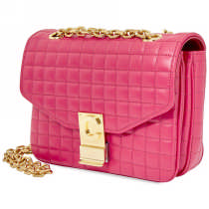 | 5 | € 1,950.00 | € 9,750.00 | MADE IN ITALY | 100% Calfskin & lamb lining | 42022100
CELINE | 188403BFC | 38NO | Black/Black | Bag C Quilted Calfskin Small | BORSA | 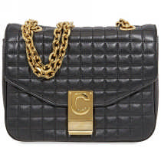 | 78 | € 1,950.00 | € 152,100.00 | MADE IN ITALY | 100% Calfskin & lamb lining | 42022100
CELINE | 188503BFB | 38NO | Black/Black | Bag C Bicolour Quilted Calfskin Medium | BORSA |  | 95 | € 1,950.00 | € 185,250.00 | MADE IN ITALY | 100% Calfskin & lamb lining | 42022100
CELINE | 188503BGY | 38NO | Black/Black | Bag C Suede Calfskin Small with Pampille | BORSA |  | 113 | € 1,850.00 | € 209,050.00 | MADE IN ITALY | 100% Calfskin & calf lining | 42022100
CELINE | 188504BND | 38NO | Black/Black | Bag C Karung Small with Pampille | BORSA | 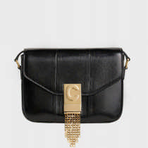 | 33 | € 2,400.00 | € 79,200.00 | MADE IN ITALY | 100% Karung (Acrochordus Javanicus / ID) | 42022100
 |  |  |  |  |  |  | 3,631 |  | € 5,481,690.00

